Engines
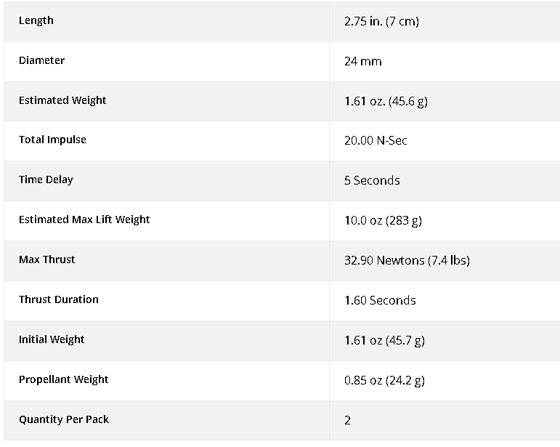
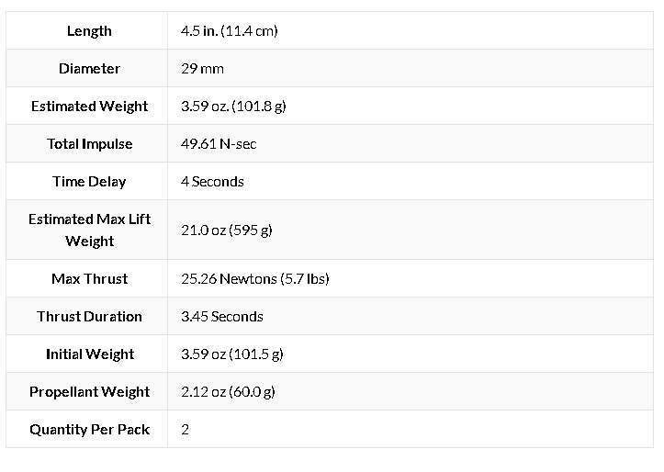
Engines:
ESTES D12-5 |  | Number: | 30.000000 | ESTES F15-4
Dimensions: |  |  |  | Dimensions:
 | cm | m |  |  | cm | m
Diameter: | 5.250 | 0.053 |  | Diameter: |  | 0.058
Height: | 7.000 | 0.070 |  | Height: |  | 0.114

Thrust: | 32.900 | N |  | Thrust: | 25.260 | N
Total Thrust: | 987.000 | N |  | Total Thrust: | 757.800 | N
Burn Time: | 1.600 | s |  | Burn Time: | 3.450 | s
Dry Mass/u | 0.046 | kg |  | Dry Mass/u | 0.042 | kg
Wet Mass/u | 0.024 | kg |  | Wet Mass/u | 0.060 | kg
Total Mass/u | 0.070 | kg |  | Total Mass/u | 0.102 | kg
Total Mass: | 2.097 | kg |  | Total Mass: | 3.060 | kg
Total Prop Mass | 0.73 | kg |  | Total Prop Mass | 1.80 | kg
Dry Mass: | 2.082 | kg |  | Dry Mass: | 2.042 | kg
Max Lift Weight/u: | 0.283 | kg |  | Max Lift Weight/u: | 0.595 | kg
Total Max Lift W | 8.490 | kg |  | Total Max Lift W | 17.850 | kg

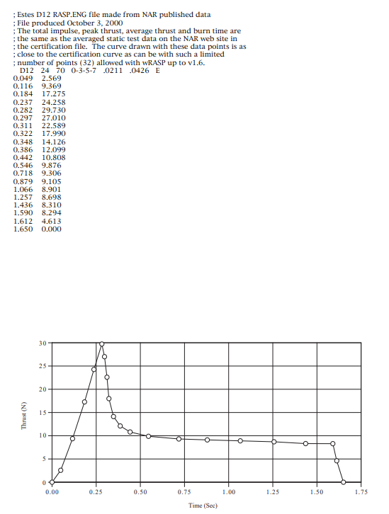
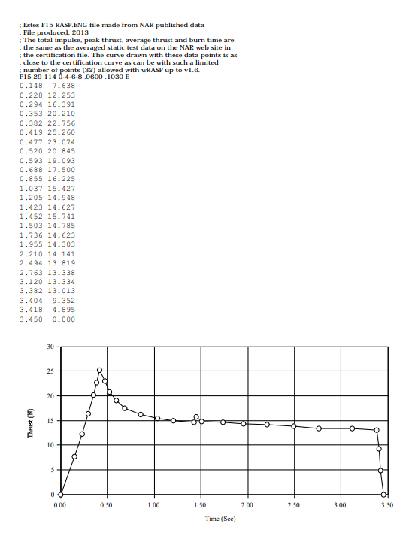
Mass Struct: | 2.060 | kg |  | Mass Struct: | 2.060 | kg
 | 2.060 |  |  |  | 2.060
Payload Mass: | 0.000 | kg |  | Payload Mass: | 0.000 | kg

Total Initial Mass | 4.157 | kg |  | Total Initial Mass | 5.120 | kg

TWR: | 47.821

Impulse: | 20.000 | N*s |  | Impulse: | 49.610 | N*s

Specific Impulse: | 84.245 | s |  | Specific Impulse: | 84.285

Burn Velocity: | 4.825 | m/s

Speed of Sound: | 343.000 | m/s

Max Mach | 0.014

Sheet2
1 | 0
2 | 15.9
3 | 31.8
4 | 47.7
5 | 63.6
6 | 79.5
7 | 95.4
8 | 111.3
9 | 127.2
10 | 143.1
11 | 159
12 | 174.9
13 | 190.8
14 | 206.7
15 | 222.6
16 | 238.5
17 | 254.4
18 | 270.3
19 | 286.2
20 | 302.1
21 | 318
22 | 333.9
23 | 349.8
24 | 365.7
25 | 381.6
26 | 397.5
27 | 413.4
28 | 429.3
29 | 445.2
30 | 461.1
31 | 477
32 | 492.9
33 | 508.8
34 | 524.7
35 | 540.6
36 | 556.5
37 | 572.4
38 | 588.3
39 | 604.2
40 | 620.1
41 | 636
42 | 651.9
43 | 667.8
44 | 683.7
45 | 699.6
46 | 715.5
47 | 731.4
48 | 747.3
49 | 753.37
50 | 745.79
51 | 738.3
52 | 730.91
53 | 723.61
54 | 716.41
55 | 709.31
56 | 702.3
57 | 695.39
58 | 688.57
59 | 681.85
60 | 675.23
61 | 668.7
62 | 662.27
63 | 655.93
64 | 649.69
65 | 643.55
66 | 637.5
67 | 631.55
68 | 625.69
69 | 619.93
70 | 614.27
71 | 608.7
72 | 603.23
73 | 597.85
74 | 592.57
75 | 587.39
76 | 582.3
77 | 577.31
78 | 572.41
79 | 567.61
80 | 562.91
81 | 558.3
82 | 553.79
83 | 549.37
84 | 545.05
85 | 540.83
86 | 536.7
87 | 532.67
88 | 528.73
89 | 524.89
90 | 521.15
91 | 517.5
92 | 513.95
93 | 510.49
94 | 507.13
95 | 503.87
96 | 500.7
97 | 497.63
98 | 494.65
99 | 491.77
100 | 488.99

Sheet1
0.148 | 7.638
0.228 | 12.253
0.294 | 16.391
0.353 | 20.21
0.419 | 22.756
0.477 | 25.26
0.52 | 23.074
0.593 | 20.845
0.688 | 19.093
0.855 | 17.5
1.037 | 16.225
1.205 | 15.427
1.423 | 14.948
1.452 | 14.627
1.503 | 15.741
1.736 | 14.785
1.955 | 14.623
2.21 | 14.141
2.494 | 13.819
2.763 | 13.338
3.12 | 13.334
3.382 | 13.013
3.404 | 9.352
3.418 | 4.895
3.45 | 0

